1
 |  | Edge Preparation Inpection Report |  |  |  |  | REPORT NO |  | TR-201229-1015 |  |  | Edge Preparation Inpection Report |  |  |  |  |  |  | REPORT NO |  | TR-201229-1016
 |  |  |  |  |  |  | DATE |  | 2020.12.29 |  |  |  |  |  |  |  |  |  | DATE |  | 2020.12.29
Customer |  |  |  |  | Job No |  |  |  |  | Customer |  |  |  |  |  |  | Job No
Item No. |  | KSM01-30 |  |  | DWG No |  | KSM01-30-01 |  |  | Item No. |  |  | KSM01-30A |  |  |  | DWG No |  |  | KSM01-30A-01
Item Name |  | CMS TANK |  |  | Code |  |  |  |  | Item Name |  |  | N2 RECEIVER TANK |  |  |  | Code
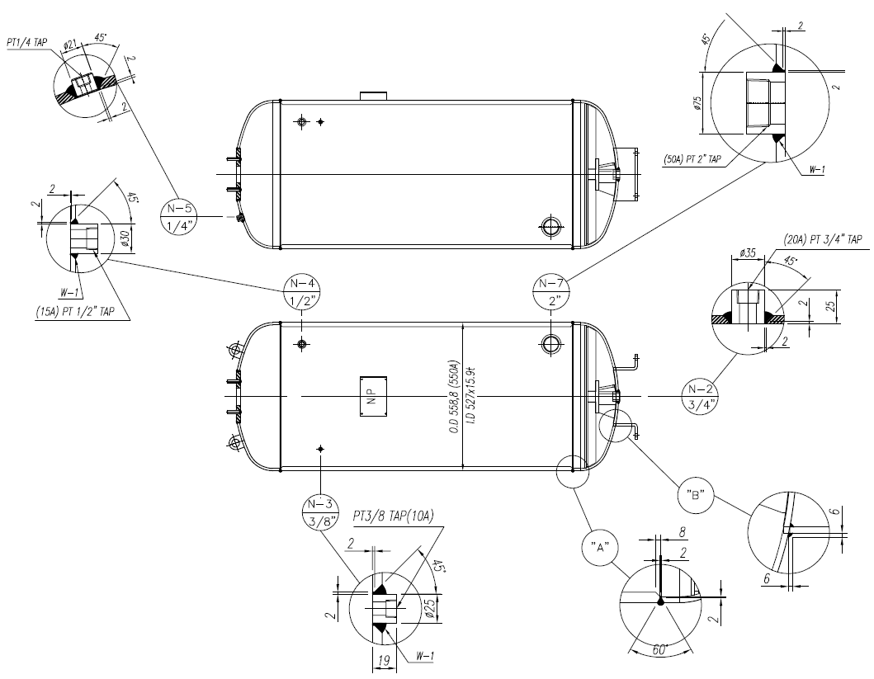 |  |  |  |  |  |  |  |  |  | 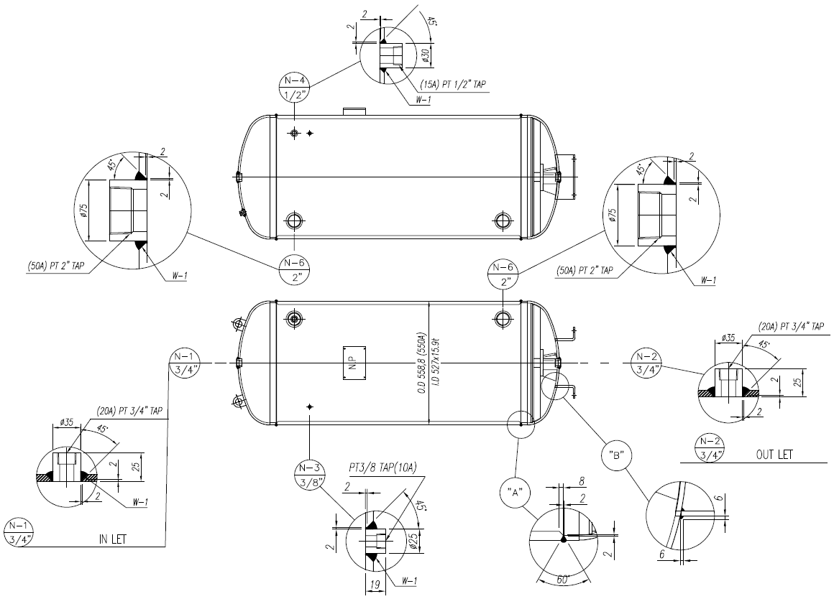

No | Seam No. | Type | Measuring |  |  |  |  |  | Result | No. | Seam No. | Type | Measuring |  |  |  |  |  |  |  |  | Result
 |  |  | 1 | 2 | 3 | 4 | 5 | 6 |  |  |  |  | 1 | 2 | 3 | 4 |  | 5 |  | 6
 | ACTUAL | SPEC | 60º(±0.5) | 2(±0.5) | 45º(±0.5) | 3(±0.5) | 5(±0.5) | 5(±0.5) |  |  | ACTUAL | SPEC | 60º(±0.5) | 2(±0.5) | 45º(±0.5) | 3(±0.5) |  | 5(±0.5) |  | 5(±0.5)
1 | "A" |  | 60º | 2 |  |  |  |  |  | 1 | "A" |  | 60º | 2
2 | "B" |  |  |  |  |  |  | 6 |  | 2 | "B" |  |  |  |  |  |  |  |  | 6
3 | N-2 |  |  |  | 45º | 3 | 5 |  |  | 3 | N-1 |  |  |  | 45º | 3 |  | 5
4 | N-3 |  |  |  | 45º |  |  | 6 |  | 4 | N-2 |  |  |  | 45º | 3 |  | 5
5 | N-4 |  |  |  | 45º |  |  | 6 |  | 5 | N-3 |  |  |  | 45º |  |  |  |  | 6
6 | N-5 |  |  | 2 | 45º |  |  |  |  | 6 | N-4 |  |  |  | 45º |  |  |  |  | 6
7 | N-7 |  |  |  | 45º |  |  | 6 |  | 7 | N-6 |  |  |  | 45º |  |  |  |  | 6
Prepared by: |  |  |  |  |  |  |  | Client by: |  | Prepared by: |  |  |  |  |  |  |  |  | Client by:
Approved by: |  |  |  |  |  |  |  |  |  | Approved by:

 |  | Edge Preparation Inpection Report |  |  |  |  | REPORT NO |  | TR-201229-1017
 |  |  |  |  |  |  | DATE |  | 2020.12.29
Customer |  |  |  |  | Job No
Item No. |  | KSM01-30 |  |  | DWG No |  | KSM01-30-02
Item Name |  | CMS TANK |  |  | Code
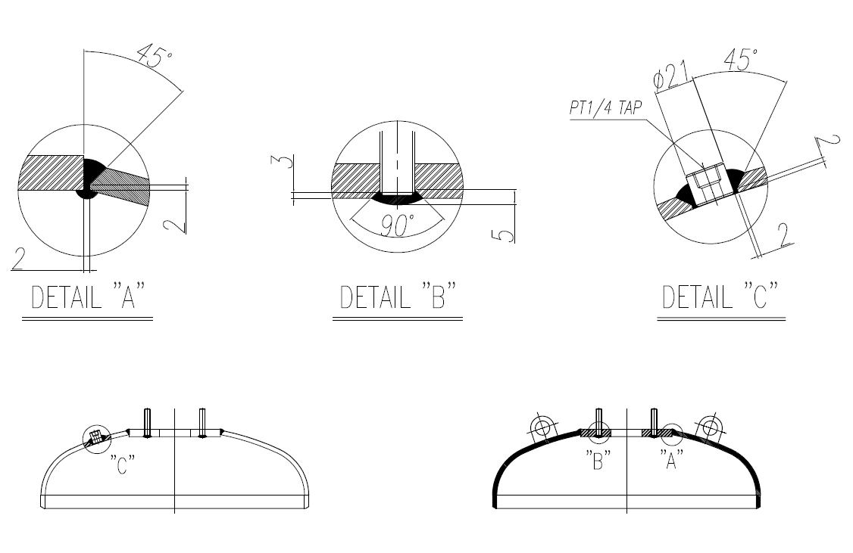

No | Seam No. | Type | Measuring |  |  |  |  |  | Result
 |  |  | 1 | 2 | 3 | 4 | 5 | 6
 | ACTUAL | SPEC | 45º(±0.5) | 2(±0.5) | 45º(±0.5) | 3(±0.5) | 5(±0.5) | 5(±0.5)
1 | "A" |  | 45º | 2
2 | "B" |  |  |  | 45º | 3 | 5
3 | "C" |  |  |  | 45º |  |  | 6
4
5
6

Prepared by: |  |  |  |  |  |  |  | Client by:
Approved by:

